SASOL NIR 2017
Note: the following is assumed in the calculation: Coal = 0.089 t CO2 / GJ (source: EIA/DOE) Gas = 0.05 t CO2 / GJ (source: EIA/DOE) MRG = 0.05 t CO2/GJ (source: Sasol).
2015/16 CDP submission
Annexure 1: Sasol’s 2017 GHG submission to the national GHG reporting regulations |  |  |  |  |  |  |  |  |  |  |  |  |  | GREENHOUSE GAS (GHG) EMISSIONS
Name of data provider |  | Herman van der Walt / Shamini Harrington |  |  |  |  |  |  |  |  |  |  |  | Sasol South Africa Limited is registered as required in terms of the National Greenhouse Gas
Data provider identification |  | 170500107 |  |  |  |  |  |  |  |  |  |  |  | Emission Reporting Regulations, section 5 (1) with the Department of Environmental Affairs
Date of submission |  | 2018-03-31 |  |  |  |  |  |  |  |  |  |  |  | (DEA). Data has been submitted to the DEA on 31 March 2018 for calendar year 2017 as per
Year of data |  | 2017 (January to December 2017) |  |  |  |  |  |  |  |  |  |  |  | the requirements set out in Annexure 3 of the Regulations. The GHG emissions and activity
Comments: Activity data has been supplied. A carbon mass balance has been used to determine GHG data. In most cases the activity data cannot be directly translated to GHG data. Flaring activity data cannot be supplied due to various streams entering the flare at any given time. |  |  |  |  |  |  |  |  |  |  |  |  |  | data relates specifically to all the registered Sasol facilities.
IPCC code | Sub category (disaggregated by fuel / product type / production process) | Activity data |  |  | Emissions (tonnes/year)
 |  | Name of activity data | Value of activity data | Units of activity data | CO2 |  |  | CH4 |  |  | N20
 |  |  |  |  | Value | Tier | Reference - technical guidelines | Value | Tier | Reference - technical guidelines | Value | Tier | Reference - technical guidelines | Numeric conversion
1A1 | 1A1c | Boiler coal combustion | 14977374 | tonnes of run of mine coal | 25429246 | 3 | Page 52-54 | 300 | 1 | Page 52-54 | 449 | 1 | Page 52-54 | 449
1A1 | 1A1c | Gas to power plants | 750271 | kNm3 | 1420641 | 3 | Page 52-54 | 25.3 | 1 | Page 52-54 | 2.53 | 1 | Page 52-54 | 2.53 | Gas | 30.8 | PJ
1A1 | 1A1c | Fuel gas combustion | 28640347 | GJ | 1194110 | 3 | Page 52-54 | 21.3 | 1 | Page 52-54 | 2.13 | 1 | Page 52-54 | 2.13 | Gas | 28.6 | PJ
1A1 | 1A1c | Fuel oil combustion | 1100948 | GJ | 118860 | 3 | Page 52-54 | 4.6 | 1 | Page 52-54 | 0.92 | 1 | Page 52-54 | 0.92
1A1 | 1A1c | Sasol catalytic cracker | 1199845 | kNm3 | 188429 | 3 | Page 52-54 | 7.3 | 1 | Page 52-54 | 1.46 | 1 | Page 52-54 | 1.46
1A1 | 1A1c | Wet sulphuric acid combustion emissions | 177871 | kNm3 | 68055 | 3 | Page 52-54 | 1.2 | 1 | Page 52-54 | 0.12 | 1 | Page 52-54 | 0.12
1A | 1A1c | Natural gas combustion | 910988 | GJ natural gas | 39454 | 3 | Page 52-54 | 0.7 | 1 | Page 52-54 | 0.07 | 1 | Page 52-54 | 0.07 | Gas | 0.9 | PJ | ?Flaring
1B | 1B3 | Other energy industries: process emissions | 30042216 | kNm3 (pure gas rate for CTL/GTC) | 23227198 | 3 | Page 52-54 | 96416 | 3 | Page 52-54 | 0 |  |  | 0
1B | 1B3 | Flaring emissions | No activity data due to complexity of the process | N/A | 2027278 | 3 | Page 52-54 | NA | NA | NA | NA | NA | NA | NA
1B | 1B3 | Wet sulphuric acid process emissions | 177871 | kNm3 | 309044 | 3 | Page 52-54 | NA | NA | NA | NA | NA | NA | NA
1B | 1B3 | Butanol stripper | 182658 | tonnes of butanol | 15323 | 3 | Page 52-54 | NA | NA | NA | NA | NA | NA | NA
4D | 4D2 | Process water dams | 23360 | tonnes process water feed | 7065 | 3 | Page 52-54 | 3853 | 3 | Page 52-54 | 0 |  |  | 0
4D | 4D2 | Water recovery (including domestic sewage) | 119401 | tonnes COD | 180962 | 3 | Page 52-54 | NA | NA | NA | NA | NA | NA | NA
2B | 2B2 | Nitric acid production | 643962 | tonnes of nitric acid | NA | NA | NA | NA | NA | NA | 692 | 3 | Page 52-54 | 692
2B | 2B1 | Ammonia production | 313043 | tonnes of ammonia | 241415 | 3 | Page 52-54 | 7962 | 3 | Page 52-54 | NA | NA | NA | NA
1B | 1B1 | Sasol Mining | 40020782 | tonnes of coal mined | 0 | NA | NA | 3229 | 2 | Page 52-54 | NA | NA | NA | NA
1B2 | 1B2b | Natural gas venting from the pipeline | 4555664 | kNm3 of natural gas | 0 | NA | NA | 243 | 2 | Page 52-54 | NA | NA | NA | NA
4C | 4C2 | Open burning of waste | Not applicable (NA) | NA | NA | NA | NA | NA | NA | NA | NA | NA | NA | NA
1A5 | 1A5b | Mobile combustion: Mining machinery | 245406 | litres of petrol and diesel | 19410 | 1 | Carbon budget reporting requirement | NA | NA | NA | NA | NA | NA | NA

totals: |  |  |  |  | CO2 |  |  | CH4 |  |  | N20
IPCC code
1A* |  |  |  |  | 28478205 |  | 7568 | 360 |  | 141431.3 | 456.23
1B* |  | F-T coal | 25043408 |  | 25578843 |  | 2097648 | 99888 |  | 0 | 0
2B* |  |  |  |  | 241415 |  | 167202 | 7962 |  | 214520 | 692
4D* |  |  |  |  | 188027 |  | 80913 | 3853 |  | 0 | 0

Are we double counting or undercounting emissions from Sasolburg? |  |  |  | tonnes | 54486490 |  |  | 112063 |  |  | 1148.23
 |  |  |  | CO2eq (Mt) | 54.48649 |  |  | 2.35 |  |  | 0.3559513

 |  |  |  | Total CO2eq (Mt) | 57.196
 |  |  | Additional emissions not accounted for in SATIM | excl. mobile, waste & mining:fugitive | 56.177 | 1.8%

GWPs
CH4 | 21 | DSR: Second Assessment Report
N2O | 310 | DSR: Second Assessment Report

 |  |  |  |  |  |  |  |  |  |  | 1953

SASOL Commodities
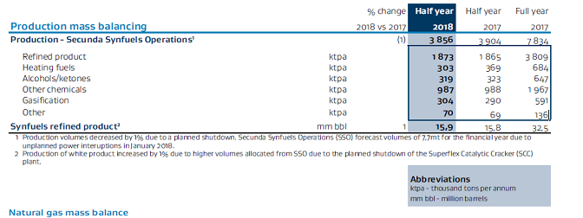
https://www.sasol.com/sites/default/files/financial_reports/Additional%20Analyst%20Information%20-%2031%20December%202017.pdf |  |  |  |  |  |  |  |  |  |  |  |  | Additional Analyst information for the the six months ended 31 December 2019

total |  | 100% | 7834 | ktpa
refined product |  | 0.48621393924 | 3809 | ktpa
heating fuels |  | 0.087311718152 | 684 | ktpa
alcohols/ketones |  | 0.082588715854 | 647 | ktpa |  |  |  |  |  |  |  |  |  |  | FY2019
other chem |  | 0.25108501404 | 1967 | ktpa |  |  |  |  |  |  |  |  | Own Capacity |  | 1110.44
gasification |  | 0.075440388052 | 591 | ktpa | 34374 | TJ |  |  |  |  |  |  | Own Production |  | 828.92
other |  | 0.017360224662 | 136 | ktpa
 |  |  |  |  |  |  |  |  |  |  |  |  | secunda coal |  | 600
 |  |  |  |  |  |  |  |  |  |  |  |  | secunda GT | 118 | 236
 |  | internal sales | 41.5 | Mt | SASOL Additional Analyst Information - 31 December 2017 2018 |  |  |  |  |  |  |  | sasolburg GE |  | 140
 |  | saleable production | 36 | Mt | SASOL Additional Analyst Information - 31 December 2017 2019 |  |  |  |  |  |  |  | sasolburg coal |  | 134.44 | ?
 |  | external purchases | 8 | Mt | SASOL Production and Sales metrics for the six months ended 31 December 2019
 |  | external sales | 3 | Mt | SASOL Production and Sales metrics for the six months ended 31 December 2020

 | Usage by business stream:
 | energy |  | 23.8 | Mt | SASOL Production and Sales metrics for the six months ended 31 December 2017
 | base chemicals |  | 12.9 | Mt | SASOL Production and Sales metrics for the six months ended 31 December 2017
 | performance chemicals |  | 4.8 | Mt | SASOL Production and Sales metrics for the six months ended 31 December 2017

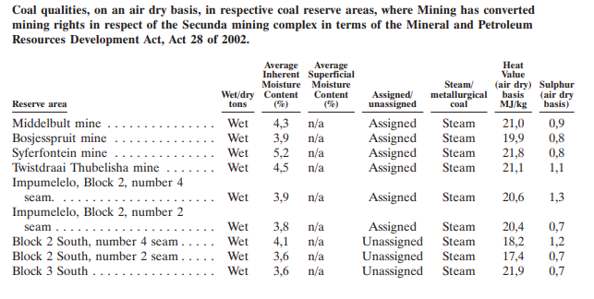
 |  | total - exports | 41.00 | Mt
 |  | stock change? | 0.50 | Mt
 |  | adjusted total usage | 41.50 | Mt

 |  | Coal CV (Synfuels) (DEA, 2016) | 20.84 | GJ/ton | secunda
 |  |  | 18.67 | GJ/ton | sasolburg

 |  | total | 14.977374 | Mt | combustion |  | sasoburg | MWe | 140 | gas engines | 0.44 | EFFe
 |  | secunda | 13.777374 | Mt | combustion |  | ? | MWt | 20 | hest-recovery- cogen
 |  | sasolburg | 1.2 | Mt | combustion
 |  |  |  |  |  |  | secunda | MWe | 240 | OCGT
 |  | secunda | 287.12047416 | PJ | combustion |  | ? | MWt | 40 | CCGT?
 |  | sasolburg | 22.404 | PJ | combustion

 |  | sasol | 26.52 | Mt | process
 |  | sasol | 552.73152584 | PJ | process

 |  | secunda | 552.73152584 | PJ | process
 |  | sasolburg | 0 | PJ | process
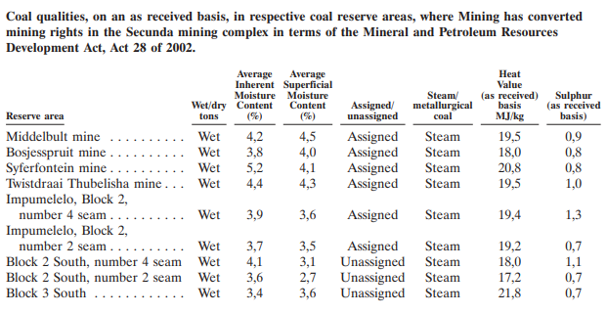
 |  |  | Sasol internal use of gas
 |  | base chemicals | 34.0956 | bcf->PJ
 |  | performance chemicals | 40.8688 | bcf->PJ
 |  | energy | 51.2008 | bcf->PJ
 |  | total | 126.1652 | PJ

 |  | 2012 | 2017
Gas to FT process Secunda | process | 36% | 24%
Gas to Gas Turbines - Secunda | combustion | 18% | 19%
Gas to Gas Engines - Sasolburg | combustion | 0% | 11%
Gas to FT process -Sasolburg | process | 44% | 46%

 |  |  | PJ
 | FT gas | 55.832669944 | 88.483313743
 |  |  | 37.681886257

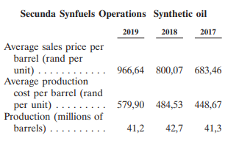

 |  |  | COAL | GAS

 |  |  |  |  | secunda | combustion
 | production |  |  |  | Mt | PJ
 | Mt | PJ |  |  | 13.777374 | 287.12047416
 | 36 | 747.636
 | export |  |  |  | secunda | process
 | Mt | PJ |  |  | Mt | PJ
 | 3 |  |  |  | 26.52 | 552.73152584
 | import
 | Mt | PJ |  |  | sasolburg | combustion
 | 8 |  |  |  | Mt | PJ
 | Gas |  |  |  | 1.2 | 22.404
 | bcf | PJ
 |  | 126.1652 |  |  | sasolburg | process
 |  |  |  |  | Mt | PJ
 |  |  |  |  | 0 | 0

 |  |  |  |  | secunda | combustion
 |  |  |  |  | m3 | PJ
 |  |  |  |  | 45.93 | 52.73 | 89% |  | total | gas
 |  |  |  |  |  |  |  |  | m3 | PJ
 |  |  |  |  | sasolburg | combustion |  |  | 109.90 | 126.17
 |  |  |  |  | m3 | PJ
 |  |  |  |  | 5.81 | 6.6751602218 | 11% |  | total | combustion | CDP (2015/16)
 |  |  |  |  |  |  |  |  | m3 | PJ | PJ
 |  |  |  |  | secunda | process |  |  | 51.74 | 59.40 | 66.3
 |  |  |  |  | m3 | PJ
 |  |  |  |  | 19.61 | 22.52 | 34%
 |  |  |  |  |  |  |  |  | total process
 |  |  |  |  | sasolburg | process |  |  | m3 | PJ
 |  |  |  |  | m3 | PJ |  |  | 58.16 | 66.76
 |  |  |  |  | 38.54 | 44.25 | 66%

GAS 2000-2029 CY
All data for Calendar years
 | Actual data (calculated from Sasol Analyst book) - public domain |  |  |  |  |  |  |  |  |  |  |  |  | Forecast data
Pipeline gas sales PJ/annum | 2000 | 2001 | 2002 | 2003 | 2004 | 2005 | 2006 | 2007 | 2008 | 2009 | 2010 | 2011 | 2012 | 2013 | 2014 | 2015 | 2016 | 2017 | 2018 | 2019 | 2020 | 2021 | 2022 | 2023 | 2024 | 2025 | 2026 | 2027 | 2028 | 2029

Natural gas | 0 | 0 | 0 | 0 | 41.2 | 79.3 | 92.3 | 92.9 | 104.7 | 96 | 115.4 | 125.1 | 136.6 | 142.7 | 149.7 | 154.6 | 156.0 | 156.0 | 156.0 | 156.0 | 156.0 | 156.0 | 156.0 | 156.0 | 156.0 | 156.0 | 156.0 | 156.0 | 156.0 | 156.0
Methane rich gas | 16.3 | 16.7 | 18.8 | 19.7 | 17.7 | 16.6 | 19.6 | 22.4 | 23.2 | 21.6 | 22.1 | 25.2 | 21.9 | 21.0 | 21.0 | 21.0 | 21.0 | 21.0 | 21.0 | 21.0 | 21.0 | 21.0 | 21.0 | 21.0 | 21.0 | 21.0 | 21.0 | 21.0 | 21.0 | 21.0
Hydrogen rich gas | 24.4 | 26.0 | 27.5 | 28.1 | 11.3 | 0 | 0 | 0 | 0 | 0 | 0 | 0 | 0 | 0 | 0 | 0 | 0
Total Supply | 40.7 | 42.7 | 46.3 | 47.8 | 70.2 | 95.9 | 111.9 | 115.3 | 127.9 | 117.6 | 137.5 | 150.3 | 158.5 | 163.7 | 170.7 | 175.6 | 177.0 | 177.0 | 177.0 | 177.0 | 177.0 | 177.0 | 177.0 | 177.0 | 177.0 | 177.0 | 177.0 | 177.0 | 177.0 | 177.0

Sasol internal use of gas | 0 | 0 | 0 | 0 | 27.7 | 48.3 | 59.5 | 58.6 | 71.4 | 56.2 | 78.1 | 86.1 | 99.4 | 99.0 | 99.1 | 101.9 | 103.3 | 103.5 | 103.3 | 102.9 | 103.1 | 103.2 | 102.9 | 102.9 | 102.9 | 102.9 | 102.9 | 102.9 | 102.9 | 102.9
External market | 40.7 | 42.7 | 46.3 | 47.8 | 42.5 | 47.6 | 52.4 | 56.7 | 56.5 | 61.4 | 59.4 | 64.2 | 59.1 | 64.7 | 71.6 | 73.8 | 73.7 | 73.5 | 73.7 | 74.1 | 73.9 | 73.8 | 74.1 | 74.1 | 74.1 | 74.1 | 74.1 | 74.1 | 74.1 | 74.1
Total Sales | 40.65 | 42.7 | 46.3 | 47.8 | 70.2 | 95.9 | 111.9 | 115.3 | 127.9 | 117.6 | 137.5 | 150.3 | 158.5 | 163.7 | 170.7 | 175.6 | 177.0 | 177.0 | 177.0 | 177.0 | 177.0 | 177.0 | 177.0 | 177.0 | 177.0 | 177.0 | 177.0 | 177.0 | 177.0 | 177.0

Sasol synfuels - Secunda |  |  |  |  | 12.4 | 18.4 | 19.8 | 24.4 | 31.0 | 29.3 | 34.3 | 49.4 | 55.4 | 47.0 | 44.2 | 44.5 | 44.5 | 44.5 | 44.5 | 44.2 | 44.2 | 44.5 | 44.5 | 44.5 | 44.5 | 44.5 | 44.5 | 44.5 | 44.5 | 44.5
Gas to FT process Secunda |  |  |  |  | 12.4 | 18.4 | 19.8 | 24.4 | 31.0 | 29.3 | 25.7 | 29.2 | 35.8 | 27.0 | 24.2 | 24.5 | 24.5 | 24.5 | 24.5 | 24.2 | 24.2 | 24.5 | 24.5 | 24.5 | 24.5 | 24.5 | 24.5 | 24.5 | 24.5 | 24.5
Gas to Gas Turbines - Secunda |  |  |  |  | 0.0 | 0.0 | 0.0 | 0.0 | 0.0 | 0.0 | 8.6 | 17.4 | 17.9 | 20.0 | 20.0 | 20.0 | 20.0 | 20.0 | 20.0 | 20.0 | 20.0 | 20.0 | 20.0 | 20.0 | 20.0 | 20.0 | 20.0 | 20.0 | 20.0 | 20.0
Sasol new energy |  |  |  |  | 0.0 | 0.0 | 0.0 | 0.0 | 0.0 | 0.0 | 0.0 | 0.0 | 0.4 | 8.3 | 10.9 | 10.9 | 10.9 | 10.9 | 10.9 | 10.9 | 10.9 | 10.9 | 10.9 | 10.9 | 10.9 | 10.9 | 10.9 | 10.9 | 10.9 | 10.9
Gas to Gas Engines - Sasolburg |  |  |  |  | 0.0 | 0.0 | 0.0 | 0.0 | 0.0 | 0.0 | 0.0 | 0.0 | 0.4 | 8.3 | 10.9 | 10.9 | 10.9 | 10.9 | 10.9 | 10.9 | 10.9 | 10.9 | 10.9 | 10.9 | 10.9 | 10.9 | 10.9 | 10.9 | 10.9 | 10.9
Sasol chemicals -Sasolburg |  |  |  |  | 15.3 | 29.9 | 39.7 | 34.2 | 40.4 | 26.9 | 43.8 | 36.7 | 43.6 | 43.7 | 44.0 | 46.5 | 47.9 | 48.1 | 47.9 | 47.8 | 48.0 | 47.8 | 47.5 | 47.5 | 47.5 | 47.5 | 47.5 | 47.5 | 47.5 | 47.5
Gas to FT process -Sasolburg |  |  |  |  | 15.3 | 29.9 | 39.7 | 34.2 | 40.4 | 26.9 | 43.8 | 36.7 | 43.6 | 43.7 | 44.0 | 46.5 | 47.9 | 48.1 | 47.9 | 47.8 | 48.0 | 47.8 | 47.5 | 47.5 | 47.5 | 47.5 | 47.5 | 47.5 | 47.5 | 47.5

Notes

1. Sasol has recently completed a US$220 million gas project to expand the capacity of the central processing facility (CPF) in Mozambique - increasing capacity to 183 MGJ/a [source:Sasol web-site].
2. Long-term use of 183 MGJ/a is 27 MGJ/a to Mozambique electricity generation market and 156 MGJ/annum to South Africa.
3. A limited amount of gas to Sasol Synfuels can be reallocated from electricity generation to FT process - figures show maximum gas to electricity generation.
4. Sasolburg gas engine power plant comes on line in December 2012.
5. Gas to Sasol chemicals in Sasolburg increases due to wax-expansion project.
6. Sasol has agreements in Mozambique to obtain gas until 2029 [Form 20-F 2012 - public domain]
7. After 2029 - gas supply can continue at same levels if new agreements are in place - maximum capacity remains 183 MGJ/annum with 156 MGJ/annum to RSA without further investment in infrastructure.

mycalcs: |  |  |  |  |  |  |  |  |  |  |  |  |  |  |  |  |  | FY17

total production (bcf) | PJ |  |  |  |  |  |  |  |  |  |  |  |  |  |  |  |  | 191.3
Moz ext sales | PJ |  |  |  |  |  |  |  |  |  |  |  |  |  |  |  |  | 26.6
ZA external sales:
Methane Rich Gas (PJ) | PJ |  |  |  |  |  |  |  |  |  |  |  |  |  |  |  |  | 26.7
Moz Ngas | PJ |  |  |  |  |  |  |  |  |  |  |  |  |  |  |  |  | 38.5

Sasol internal use of gas
base chemicals | PJ |  |  |  |  |  |  |  |  |  |  |  |  |  |  |  |  | 34.1
performance chemicals | PJ |  |  |  |  |  |  |  |  |  |  |  |  |  |  |  |  | 40.9
energy | PJ |  |  |  |  |  |  |  |  |  |  |  |  |  |  |  |  | 51.2

Total sasol consumption |  |  |  |  |  |  |  |  |  |  |  |  |  |  |  |  |  | 126.2
Derek's calculations: SASOL internal usage | PJ |  |  |  | 27.7 | 48.3 | 59.5 | 58.6 | 71.4 | 56.2 | 78.1 | 86.1 | 99.4 | 99.0 | 99.1 | 101.9 | 103.3 | 103.5 | 103.3 | 102.9 | 103.1 | 103.2 | 102.9 | 102.9 | 102.9 | 102.9 | 102.9 | 102.9 | 102.9 | 102.9

Sasol synfuels - Secunda |  |  |  |  | 45% | 38% | 33% | 42% | 43% | 52% | 44% | 57% | 56% | 47% | 45% | 44% | 43% | 43% | 43% | 43% | 43% | 43% | 43% | 43% | 43% | 43% | 43% | 43% | 43% | 43%
Gas to FT process Secunda |  |  |  |  | 100% | 100% | 100% | 100% | 100% | 100% | 75% | 59% | 65% | 57% | 55% | 55% | 55% | 55% | 55% | 55% | 55% | 55% | 55% | 55% | 55% | 55% | 55% | 55% | 55% | 55%
Gas to Gas Turbines - Secunda |  |  |  |  | 0% | 0% | 0% | 0% | 0% | 0% | 25% | 35% | 32% | 43% | 45% | 45% | 45% | 45% | 45% | 45% | 45% | 45% | 45% | 45% | 45% | 45% | 45% | 45% | 45% | 45%
Sasol new energy |  |  |  |  | 0% | 0% | 0% | 0% | 0% | 0% | 0% | 0% | 0% | 8% | 11% | 11% | 11% | 11% | 11% | 11% | 11% | 11% | 11% | 11% | 11% | 11% | 11% | 11% | 11% | 11%
Gas to Gas Engines - Sasolburg |  |  |  |  | 0% | 0% | 0% | 0% | 0% | 0% | 0% | 0% | 100% | 100% | 100% | 100% | 100% | 100% | 100% | 100% | 100% | 100% | 100% | 100% | 100% | 100% | 100% | 100% | 100% | 100%
Sasol chemicals -Sasolburg |  |  |  |  | 55% | 62% | 67% | 58% | 57% | 48% | 56% | 43% | 44% | 44% | 44% | 46% | 46% | 46% | 46% | 46% | 47% | 46% | 46% | 46% | 46% | 46% | 46% | 46% | 46% | 46%
Gas to FT process |  |  |  |  | 100% | 100% | 100% | 100% | 100% | 100% | 100% | 100% | 100% | 100% | 100% | 100% | 100% | 100% | 100% | 100% | 100% | 100% | 100% | 100% | 100% | 100% | 100% | 100% | 100% | 100%

Gas to FT process Secunda |  |  |  |  |  |  |  |  |  |  |  |  | 36% |  |  |  |  | 24%
Gas to Gas Turbines - Secunda |  |  |  |  |  |  |  |  |  |  |  |  | 18% |  |  |  |  | 19%
Gas to Gas Engines - Sasolburg |  |  |  |  |  |  |  |  |  |  |  |  | 0% |  |  |  |  | 11%
Gas to FT process -Sasolburg |  |  |  |  |  |  |  |  |  |  |  |  | 44% |  |  |  |  | 46%

Gas SASOL | 41.0 | MJ/m3 | DEFF 2020 Calorific Values [CV]
1 mcf nat. gas (LHV) = 10.27 therm = 1.027 mmBtu = 1.082 GJ | 1.082 | GJ/mcf | MIT 2007 Units & Conversions Fact Sheet
 | 1.082 | TJ/bcf
 | 0.028 | cf->m3 | BP

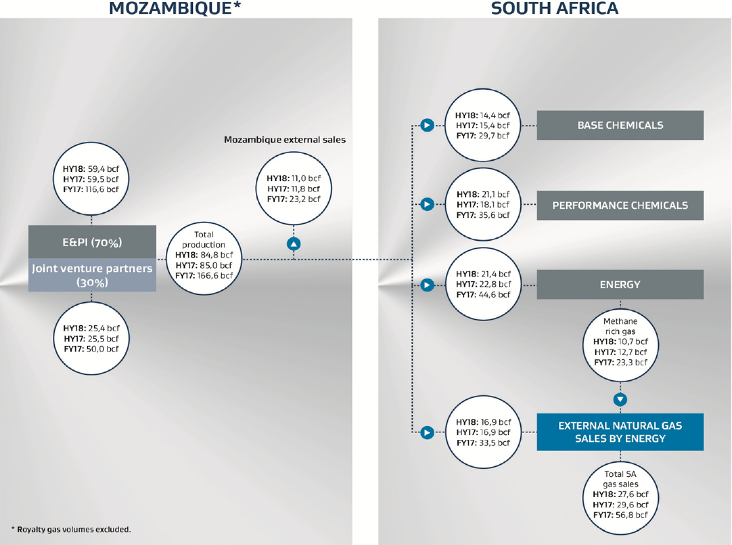
GAS - bcf |  |  |  |  |  |  |  |  |  |  |  |  |  |  |  |  |  | bcf
total Production |  |  |  |  |  |  |  |  |  |  |  |  |  |  |  |  |  | 166.6
Moz sales |  |  |  |  |  |  |  |  |  |  |  |  |  |  |  |  |  | 23.2
base chemicals |  |  |  |  |  |  |  |  |  |  |  |  |  |  |  |  |  | 29.7
performance chemicals |  |  |  |  |  |  |  |  |  |  |  |  |  |  |  |  |  | 35.6
energy |  |  |  |  |  |  |  |  |  |  |  |  |  |  |  |  |  | 44.6
external sales
methane-rich |  |  |  |  |  |  |  |  |  |  |  |  |  |  |  |  |  | 23.3
ngas-Moz |  |  |  |  |  |  |  |  |  |  |  |  |  |  |  |  |  | 33.5

Secunda Emissions 2019 etc
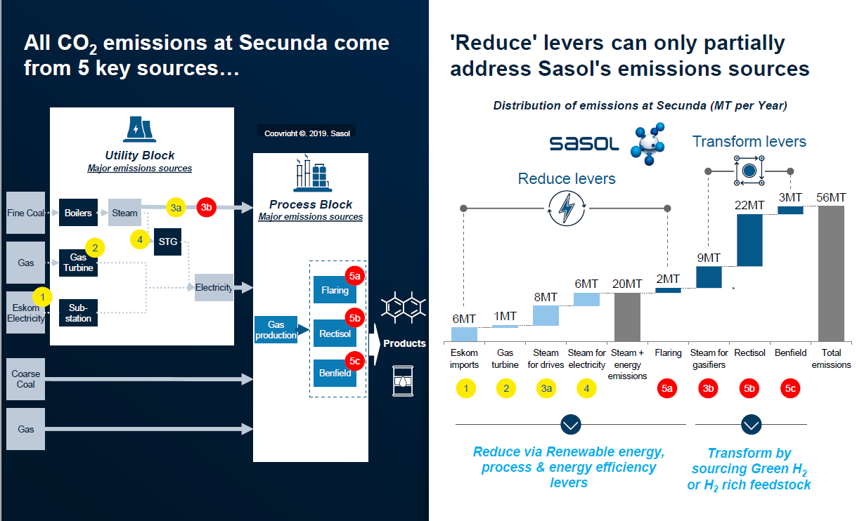
2019 CC Report
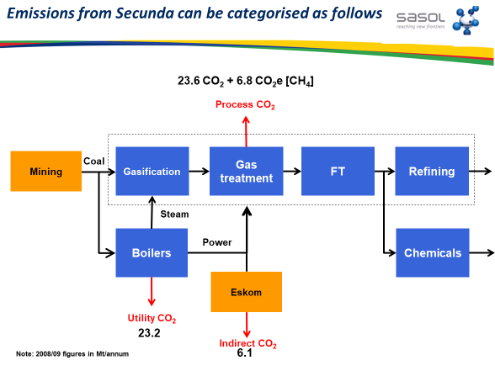

 |  |  |  |  |  |  |  | source | type | satim |  | emissions | steam share
 |  |  |  |  |  |  |  | 1 | eskom | tch_sup |  | 6
 |  |  |  |  |  |  |  | 2 | gas turbine | tch_pwr |  | 1
 |  |  |  |  |  |  |  | 3a | steam for drives | tch_sup |  | 8 | 0.34782608696
 |  |  |  |  |  |  |  | 3b | steam for gasifiers |  |  | 9 | 0.39130434783
 |  |  |  |  |  |  |  | 4 | steam for elec | tch_pwr |  | 6 | 0.26086956522
 |  |  |  |  |  |  |  | 5a | process emissions | flaring - CO2 (from NIR 2017 submission) | tch_sup | 2
 |  |  |  |  |  |  |  | 5b | process emissions | FT- Rectisol | tch_sup | 22 |  | Rectisol SO operates a Rectisol plant on the Sasol One Site. The purpose of the Rectisol plant is “dew point correction” and “CO2” removal. Due to the high concentration of methane and other hydrocarbons, the gas from the first two stages are sent to the flare and those from the last three stages are sent to atmosphere through the Steam Station 1 Stacks. Emissions include hydrocarbons specifically with high concentrations of CO2 emitted from the Steam Station 1 stacks.
 |  |  |  |  |  |  |  | 5a | process emissions | FT -Benfield | tch_sup | 3 |  | SO operates a Benfield unit as part of the ammonia plant on the Sasol One Site. The Benfield unit consists of a CO2 absorber column were CO2 is removed from the process gas stream using the benfield solution. The benfield solution is regenerated in the desorber column were the CO2 is desorbed to the atmosphere.

 |  |  |  |  |  |  |  | secunda total |  |  |  | 57
 |  |  |  |  |  |  |  | tch-SUP |  |  |  | 50
 |  |  |  |  |  |  |  | tch-SUP | FT -boiler emissions |  |  | 17
 |  |  |  |  |  |  |  | tch-SUP | FT -non-boiler emissions |  |  | 27
cdp 2015/16 (july-june)
Scope 1
Wed 01 Jul 2015 - Thu 30 Jun 2016 | Please state how much fuel in MWh your organization has consumed (for energy purposes) during the reporting year
 | 103164727
 | Please complete the table by breaking down the total "Fuel" figure entered above by fuel type
 | Diesel/Gas Oil | 94521 | (MWh) | 340275.6 | GJ | 0.3402756 | PJ
 | gasoline | 2446 | (MWh) | 8805.6 | GJ | 0.0088056 | PJ
 | Bituminous-coal | 84661823 | (MWh) | 304782562.8 | GJ | 304.7825628 | PJ
 | fuel gas | 18405938 | (MWh) | 66261376.8 | GJ | 66.2613768 | PJ

 | Please state how much heat, steam, and cooling in MWh your organization has purchased and consumed during the reporting year
 | Heat | 0 | (MWh)
 | Steam | 75393332 | (MWh) | 271415995.2 | GJ | 271.4159952 | PJ
 | Cooling | 0 | (MWh)

 | Please report how much electricity you produce in MWh, and how much electricity you consume in MWh

 |  | 17271234 | (MWh)
 |  | 8002743 | (MWh)
 |  | 9268491 | (MWh)
 |  | 0 | (MWh)
 |  | 0 | (MWh)

